Sheet1
 | Last Update: 9/22/20 TB

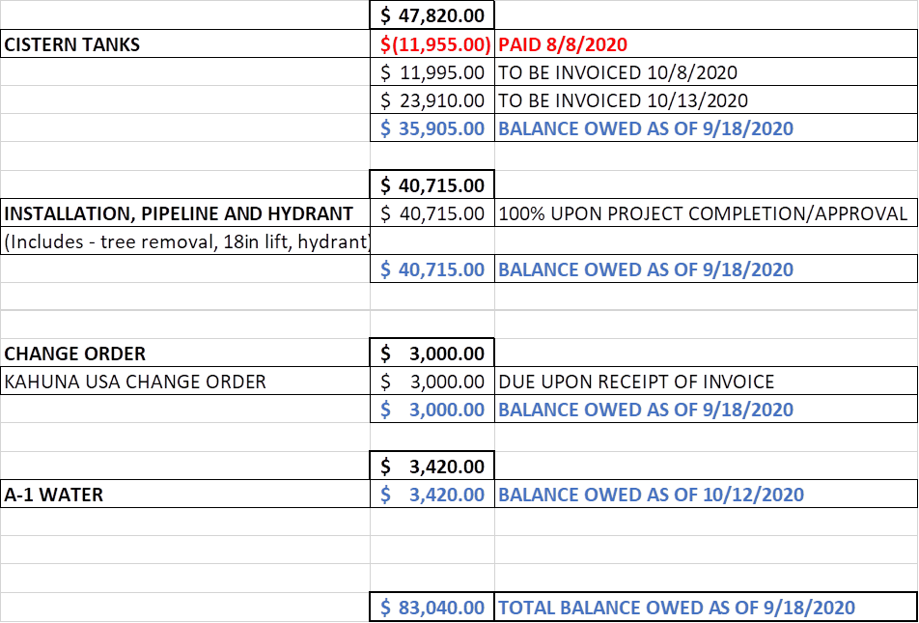
 |  | Initial Assessment | Non-members | 1st Payment | 2nd Payment | 3rd Payment | 4th Payment | 5th Payment | 6th Payment | 2nd Assessment
 |  |  |  | BE | Kahuna | BE | A-1 Water | BE | BE | Payment 1 | Late Fee | Payment 2 | Payment 3 | Total
 |  | Aug-20 |  | 2020-08-08 | 2020-09-18 | 2020-10-08 | 2020-10-12 | 2020-10-13 | 2020-10-18 | 2020-11-06 | 2020-11-06 | 2020-12-01 | 2021-01-01
Lot 1 | BERTELE THEODORE | $2,800.00 |  |  |  |  |  |  |  | $1,200.00 |  |  |  | $4,000.00
Lot 2 | LONE PINE REAL ESTATE LLC | $2,800.00 |  |  |  |  |  |  |  | $1,200.00 |  |  |  | $4,000.00
Lot 3 | BERTELE THEODORE | $2,800.00 |  |  |  |  |  |  |  | $1,200.00 |  |  |  | $4,000.00
Lot 4 | CHEUNG ROBIN CHIKONG & FONG-TONG JOYCE KWAI | $2,800.00 |  |  |  |  |  |  |  | $400.00 | $50.00 | $400.00 | $400.00 | $4,050.00
Lot 5 | MORELLO ROBERTO & CHIN SHIRLEY | $2,800.00 |  |  |  |  |  |  |  | $400.00 | $50.00 | $400.00 | $400.00 | $4,050.00
Lot 6 | SARGHOS FAMILY LIMITED (Richard & Paulette Sarghos) | $2,800.00 |  |  |  |  |  |  |  | $400.00 | $50.00 | $400.00 | $400.00 | $4,050.00
Lot 7 | ANDERSON ERIC P & KATHERINE J | $2,800.00 |  |  |  |  |  |  |  | $400.00 | $50.00 | $400.00 | $400.00 | $4,050.00
Lot 8 | John Gearhart & Kristen Fogarty | $2,800.00 |  |  |  |  |  |  |  | $400.00 | $50.00 | $400.00 | $400.00 | $4,050.00
Lot 9 | WALLACE DAVID M & GISELLE F | $2,800.00 |  |  |  |  |  |  |  | $1,200.00 |  |  |  | $4,000.00
Lot 10 | MAYBERRY LEE W & RODRIGUEZ JEANINE M | $2,800.00 |  |  |  |  |  |  |  | $1,200.00 |  |  |  | $4,000.00
Lot 11 | KELLER SHERYL | $2,800.00 |  |  |  |  |  |  |  | $400.00 | $50.00 | $400.00 | $400.00 | $4,050.00
Lot 12 | PURE PAMELA J 2012 DELAWARE TRUST | $2,800.00 |  |  |  |  |  |  |  | $400.00 | $50.00 | $400.00 | $400.00 | $4,050.00
Lot 13 | WIATROWSKI THADDEUS & BRACKEN-WIATROWSKI | $2,800.00 |  |  |  |  |  |  |  | $400.00 | $50.00 | $400.00 | $400.00 | $4,050.00
Lot 14 | GRAFF DAN & GRAFF DORINDA L WAYLAND | $2,800.00 |  |  |  |  |  |  |  | $400.00 | $50.00 | $400.00 | $400.00 | $4,050.00
Lot 15 | Charles & Deborah Nolan | $2,800.00 |  |  |  |  |  |  |  | $400.00 | $50.00 | $400.00 | $400.00 | $4,050.00
Lot 16 | KEICHER JEFFREY M & MUNSON SUSAN H | $2,800.00 |  |  |  |  |  |  |  | $400.00 | $50.00 | $400.00 | $400.00 | $4,050.00
Lot 17 | SHARMA RAJIV K & KATHLEEN A | $2,800.00 |  |  |  |  |  |  |  | $400.00 | $50.00 | $400.00 | $400.00 | $4,050.00
Lot 18 | AUCOIN EVELYN & CHRIS | $2,800.00 |  |  |  |  |  |  |  | $400.00 | $50.00 | $400.00 | $400.00 | $4,050.00
Lot 19 | WILSON ROBERT F & JACQUELINE A | $2,800.00 |  |  |  |  |  |  |  | $400.00 | $50.00 | $400.00 | $400.00 | $4,050.00
Lot 20 | TWINING PETER C & CHRISTINE I | $2,800.00 |  |  |  |  |  |  |  | $400.00 | $50.00 | $400.00 | $400.00 | $4,050.00
Lot 21 | LUCKY 21 INVESTMENT LLC (Rich & Lisa Harris) | $2,800.00 |  |  |  |  |  |  |  | $400.00 | $50.00 | $400.00 | $400.00 | $4,050.00
Lot 22 | KENNEDY ALISHA M & JOHN F | $- | $- |  |  |  |  |  |  |  | $- | $- | $- | $-
Lot 23 | BRAMANTE ANDREW & SHARON | $- | $3,000.00 |  |  |  |  |  |  | $- | $- | $- |  | $3,000.00
Lot 24 | LURIE GORDON ROBERT & WITCZAK KATHLEEN M | $2,800.00 |  |  |  |  |  |  |  | $400.00 | $50.00 | $400.00 | $400.00 | $4,050.00
Lot 25 | Michael Burnstein | $2,800.00 |  |  |  |  |  |  |  | $400.00 | $50.00 | $400.00 | $400.00 | $4,050.00
 | Colum Total | $64,400.00 | $3,000.00 | $(11,955.00) | $(3,000.00) | $(11,955.00) | $(3,420.00) | $(23,910.00) | $(40,715.00) | $13,200.00 | $900.00 | $7,200.00 | $7,200.00 | $95,900.00
 | Collected | $64,400.00 | $67,400.00 | $67,400.00 | $67,400.00 | $67,400.00 | $67,400.00 | $67,400.00 | $67,400.00 | $80,600.00 | $81,500.00 | $88,700.00 | $95,900.00 | $95,900.00
 | Reserve Account Balance |  |  | $55,445.00 | $52,445.00 | $40,490.00 | $37,070.00 | $13,160.00 | $(27,555.00) |  |  |  |  | $945.00
 |  |  |  |  |  |  |  |  |  |  |  |  |  | Surplus

 |  |  |  |  |  |  |  |  |  | BE Costs | $88,535
 |  |  |  |  |  |  |  |  |  | ECO | $3,000
 |  |  |  |  |  |  |  |  |  | Water | $3,420
 |  |  |  |  |  |  |  |  |  | Total Cost | $94,955
 |  |  |  |  |  |  |  |  |  | Reserve Req. | $(27,555.00)

